Defect Reporting
 | HDFC bank
 |  | Defect Reporting

Defect id | Defect Reporting date | Project name | Project version | Module name/sub module name | types of defect | Phase in which defect is identified | summmary of defect | desciption of defect | Severity | Priority | States | Screenshot | Reported by | Reported to
DR01 | 2021-10-10 | HDFC Home page | _ | Apply online form | Missing defect in non funtion defect | test Execution phase | Apply online button is not visible after selecting cards and debit cards option | steps : 1.select product type : card. 2.select product :debit cards. 3.Click on apply online button . Expected Result: 1."card" should be visible. 2. "debit card" option should be visible 3. page should be redirect to next page. Actual Result : 1. card is selected 2. debit card is selected. 3. apply online button is not visible |  |  | new | 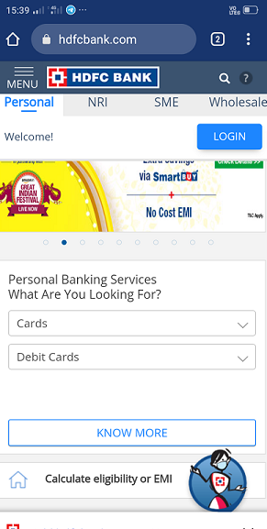

DR02 | 2021-10-10 | HDFC Home page | _ | Apply online form | Missing defect in non funtion defect | test Execution phase | Apply online button is not visible after selecting deposit and FD Via SMS option | steps : 1.select product type : deposit. 2.select product :FD Via SMS. 3.Click on apply online button . Expected Result: 1."deposit" should be visible. 2. "FD Via SMS" option should be visible 3. page should be redirect to next page. Actual Result : 1. deposit is selected 2. FD Via SMSis selected. 3. apply online button is not visible |  |  | new | 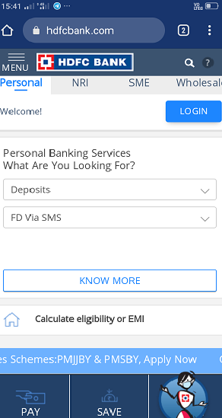

DR03 | 2021-10-10 | HDFC Home page | _ | Apply online form | Missing defect in non funtion defect | test Execution phase | Apply online button is not visible after selecting cards and prepaid card options . | steps : 1.select product type : cards. 2.select product :prepaid cards. 3.Click on apply online button . Expected Result: 1."cards" should be visible. 2. "prepaid cards" option should be visible 3. page should be redirect to next page. Actual Result : 1. cards is selected 2. prepaid cards is selected. 3. apply online button is not visible |  |  | new | 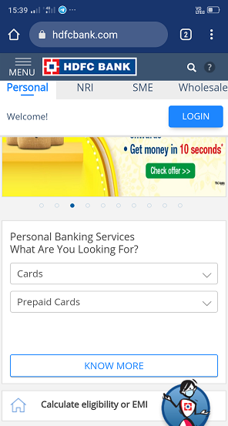

DR04 | 2021-10-10 | HDFC Home page | _ | Apply online form | Missing defect in non funtion defect | test Execution phase | Apply online button is not visible after selecting cards and credit cards services. | steps : 1.select product type : card. 2.select product :credit cards services. 3.Click on apply online button . Expected Result: 1."card" should be visible. 2. "credit cards services" option should be visible 3. page should be redirect to next page. Actual Result : 1. card is selected 2. credit cards services is selected. 3. apply online button is not visible |  |  | new | 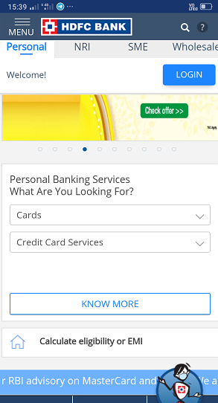

DR05 | 2021-10-10 | HDFC Home page | _ | Apply online form | Missing defect in non funtion defect | test Execution phase | Apply online button is not visible after selecting social security schemes and Pradhan mantri jeevan jyoti bima yojna option | steps : 1.select product type : social security schemes. 2.select product :Pradhan mantri jeevan jyoti bima yojna. 3.Click on apply online button . Expected Result: 1."social security schemes" should be visible. 2. "Pradhan mantri jeevan jyoti bima yojna" option should be visible 3. page should be redirect to next page. Actual Result : 1. social security scheema is selected 2. Pradhan mantri jeevan jyoti bima yojna is selected. 3. apply online button is not visible |  |  | new | 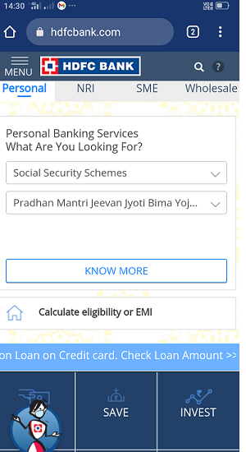

DR06 | 2021-10-10 | HDFC Home page | _ | Apply online form | Missing defect in non funtion defect | test Execution phase | Apply online button is not visible after selecting social security schemes and Pradhan mantri suraksha bima yojna option. | steps : 1.select product type : social security scheema. 2.select product : Pradhan mantri suraksha bima yojna . 3.Click on apply online button . Expected Result: 1."social security schemes" should be visible. 2. " Pradhan mantri suraksha bima yojna." option should be visible 3. page should be redirect to next page. Actual Result : 1. social security schemes is selected 2. Pradhan mantri suraksha bima yojna. is selected. 3. apply online button is not visible |  |  | new | 

DR07 | 2021-10-10 | HDFC Home page | _ | Apply online form | Missing defect in non funtion defect | test Execution phase | Apply online button is not visible after selecting social security schemes and atal pension yojna option. | steps : 1.select product type : social security scheema. 2.select product :atal pension yojna. 3.Click on apply online button . Expected Result: 1."social security schemes" should be visible. 2. "atal pension yojna." option should be visible 3. page should be redirect to next page. Actual Result : 1. social security schemes is selected 2. atal pension yojna. is selected. 3. apply online button is not visible |  |  | new | 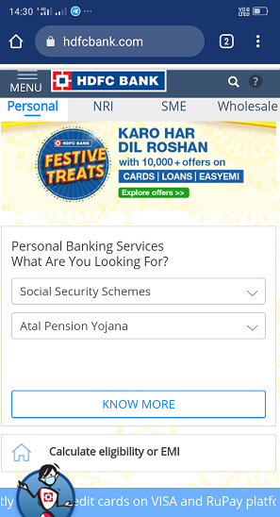

DR08 | 2021-11-10 | HDFC Home page | _ | Apply online form | Missing defect in non funtion defect | test Execution phase | Apply online button is not visible after selecting Loans and salary plus option. | steps : 1.select product type : Loans security scheema. 2.select product : salary plus 3.Click on apply online button . Expected Result: 1."Loans" should be visible. 2. " salary plus." option should be visible 3. page should be redirect to next page. Actual Result : 1. Loans is selected 2. salary plus is selected. 3. apply online button is not visible |  |  | new | 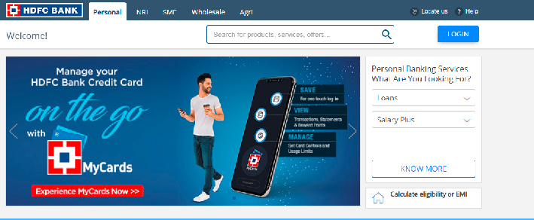

DR09 | 2021-11-10 | HDFC Home page | _ | Apply online form | Missing defect in non funtion defect | test Execution phase | Apply online button is not visible after selecting Loans and Government Sponsored Programs option. | steps : 1.select product type : Loans security scheema. 2.select product :Government Sponsored Programs 3.Click on apply online button . Expected Result: 1."Loans" should be visible. 2. "Government Sponsored Programs" option should be visible 3. page should be redirect to next page. Actual Result : 1. Loans is selected 2. Government Sponsored Programs is selected. 3. apply online button is not visible |  |  | new | 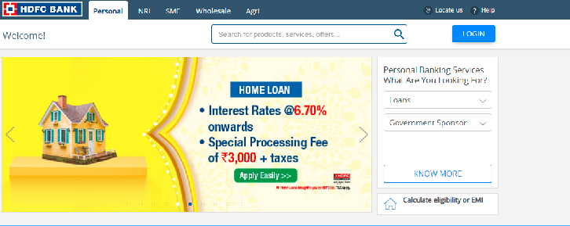

DR10 | 18/10/2021 | HDFC Home page | _ | Apply online form in SME module | Missing defect in non funtion defect | test Execution phase | Apply online button is not visible after selecting Payments And Collections and Cash Management Services option. | steps : 1.select product type :Payments And Collections 2.select product Cash Management Services 3.Click on apply online button . Expected Result: 1."Payments And Collections" should be visible. 2. "Cash Management Services" option should be visible 3. page should be redirect to next page. Actual Result : 1. Payments And Collections is selected 2. Cash Management Services is selected. 3. apply online button is not visible |  |  | new | 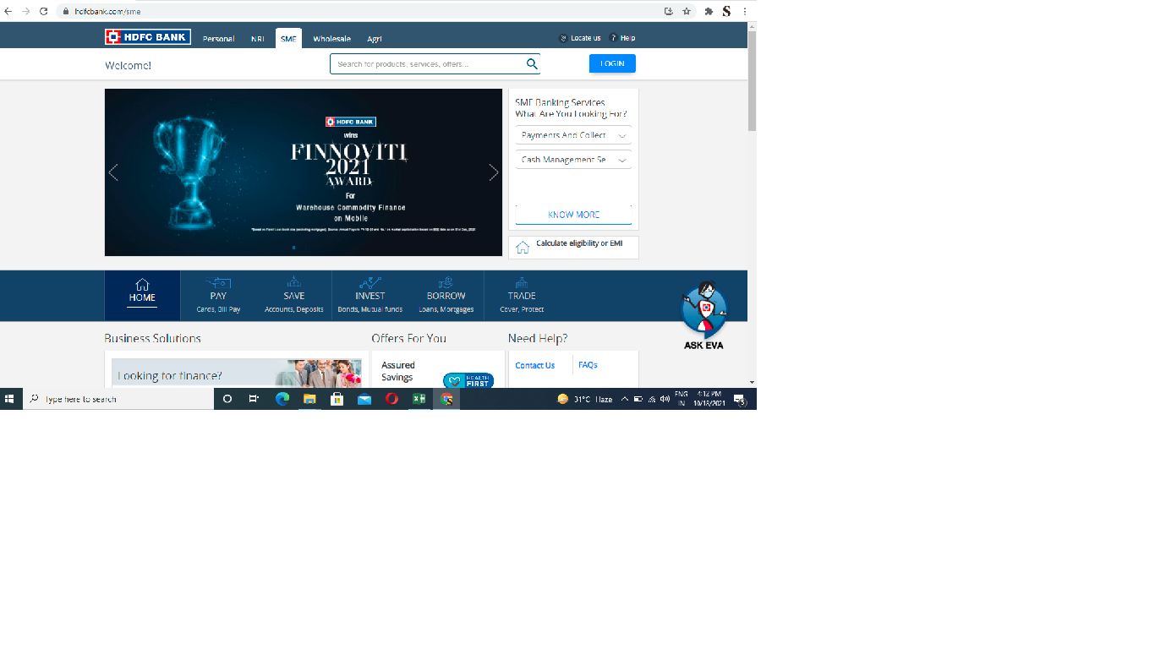

DR11 | 18/10/2021 | HDFC Home page | _ | Apply online form in SME module | Missing defect in non funtion defect | test Execution phase | Apply online button is not visible after selecting Payments And Collections and Direct Pay Mode Of Payment option. | steps : 1.select product type : Payments And Collections 2.select product : Direct Pay Mode Of Payment 3.Click on apply online button . Expected Result: 1."Payments And Collections" should be visible. 2. " Direct Pay Mode Of Payment" option should be visible 3. page should be redirect to next page. Actual Result : 1. Payments And Collections is selected 2. Direct Pay Mode Of Payment. is selected. 3. apply online button is not visible |  |  | new | 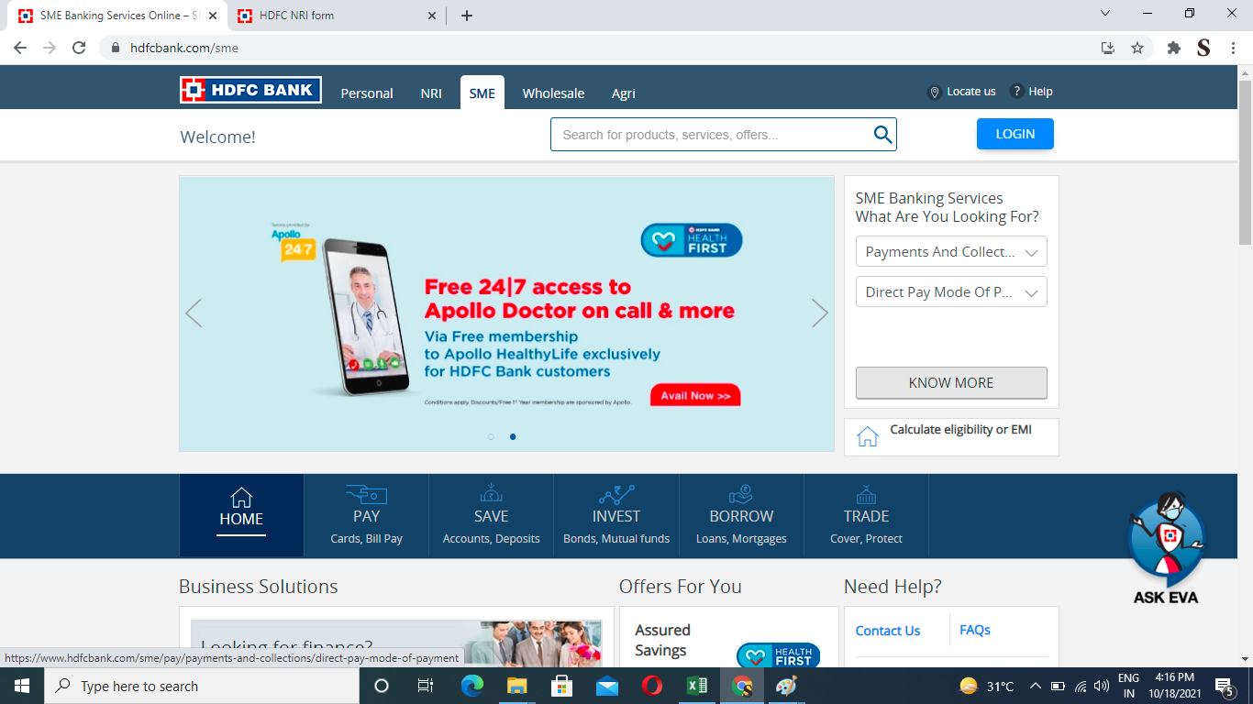

DR12 | 18/10/2021 | HDFC Home page | _ | Apply online form in SME module | Missing defect in non funtion defect | test Execution phase | Apply online button is not visible after selecting Working Capital and Working Capital For Contractors option. | steps : 1.select product type : Working Capital . 2.select product :Working Capital For Contractors. 3.Click on apply online button . Expected Result: 1." Working Capital " should be visible. 2. "Working Capital For Contractors" option should be visible 3. page should be redirect to next page. Actual Result : 1. Working Capital is selected 2. Working Capital For Contractors is selected. 3. apply online button is not visible |  |  | new | 

DR13 | 2021-11-07 | HDFC Home page | _ | Apply online form in SME module | Missing defect in non funtion defect | test Execution phase | Apply online button is not visible after selecting Working Capital and Working Capital For Transporters option. | steps : 1.select product type : Working Capital 2.select product :Working Capital For Transporters. 3.Click on apply online button . Expected Result: 1." Working Capital " should be visible. 2. "Working Capital For Transporters" option should be visible 3. page should be redirect to next page. Actual Result : 1. Working Capital is selected 2. Working Capital For Transporters is selected. 3. apply online button is not visible |  |  | new | 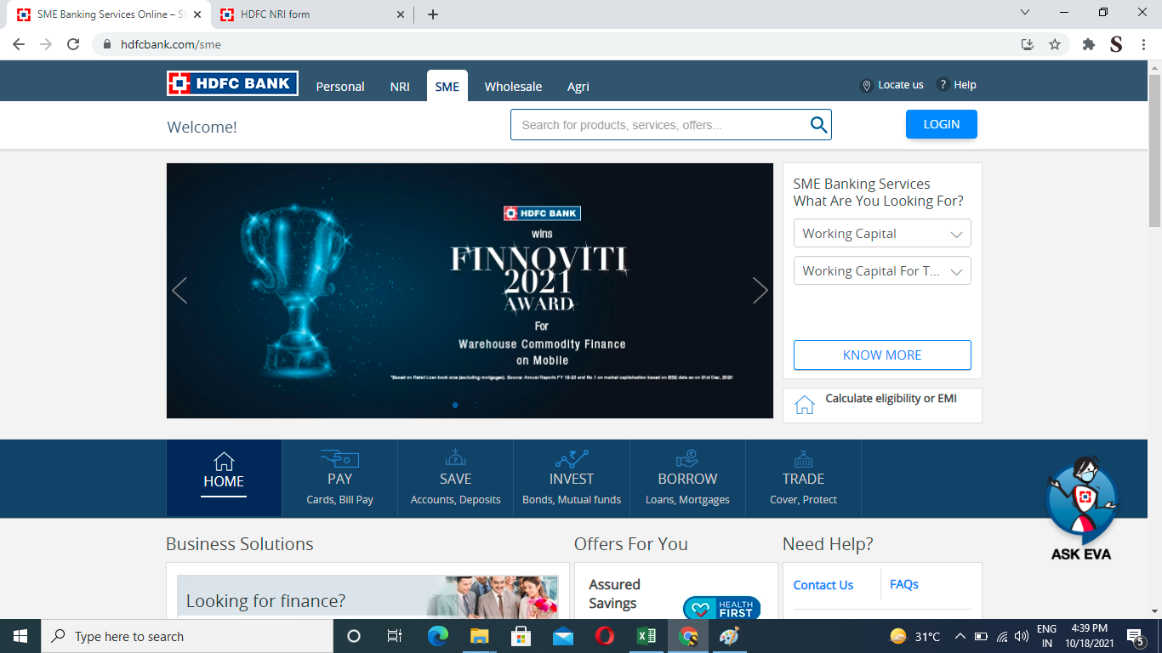

DR14 | 18/10/2021 | HDFC Home page | _ | Apply online form in SME module. | Missing defect in non funtion defect | test Execution phase | Apply online button is not visible after selecting Loans and Term Loans option. | steps : 1.select product type : Loans security scheema. 2.select product :Term Loans 3.Click on apply online button . Expected Result: 1."Loans" should be visible. 2. "Term Loans" option should be visible 3. page should be redirect to next page. Actual Result : 1. Loans is selected 2. Term Loans is selected. 3. apply online button is not visible |  |  | new | 

DR15 | 18/10/2021 | HDFC Home page | _ | Apply online form in SME Module. | Missing defect in non funtion defect | test Execution phase | Apply online button is not visible after selecting Loans and Commercial/ Construction Equipment option. | steps : 1.select product type : Loans security scheema. 2.select product :Commercial/ Construction Equipment 3.Click on apply online button . Expected Result: 1."Loans" should be visible. 2. "Commercial/ Construction Equipment" option should be visible 3. page should be redirect to next page. Actual Result : 1. Loans is selected 2. Commercial/ Construction Equipment is selected. 3. apply online button is not visible |  |  | new | 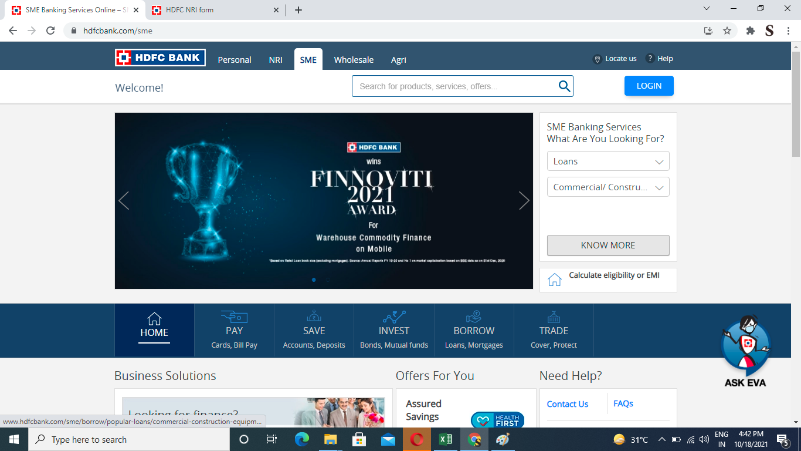

DR16 | 18/10/2021 | HDFC Home page | _ | Apply online form in SME Module. | Missing defect in non funtion defect | test Execution phase | Apply online button is not visible after selecting Loans and Health Care/ Medical Equipment Finance option. | steps : 1.select product type : Loans security scheema. 2.select product :Health Care/ Medical Equipment Finance 3.Click on apply online button . Expected Result: 1."Loans" should be visible. 2. "Health Care/ Medical Equipment Finance" option should be visible 3. page should be redirect to next page. Actual Result : 1. Loans is selected 2.Health Care/ Medical Equipment Finance is selected. 3. apply online button is not visible |  |  | new | 

DR17 | 18/10/2021 | HDFC Home page | _ | Apply online form in SME Module. | Missing defect in non funtion defect | test Execution phase | Apply online button is not visible after selecting Trade Services and default option. | steps : 1.select product type :Trade Services 2.select product :Commercial/ Construction Equipment 3.Click on apply online button . Expected Result: 1."Trade Services" should be visible. 2. "default" option should be visible 3. page should be redirect to next page. Actual Result : 1. Trade Services is selected 2. default is selected but no any option in dropdownlist. 3. apply online button is visible |  |  | new | 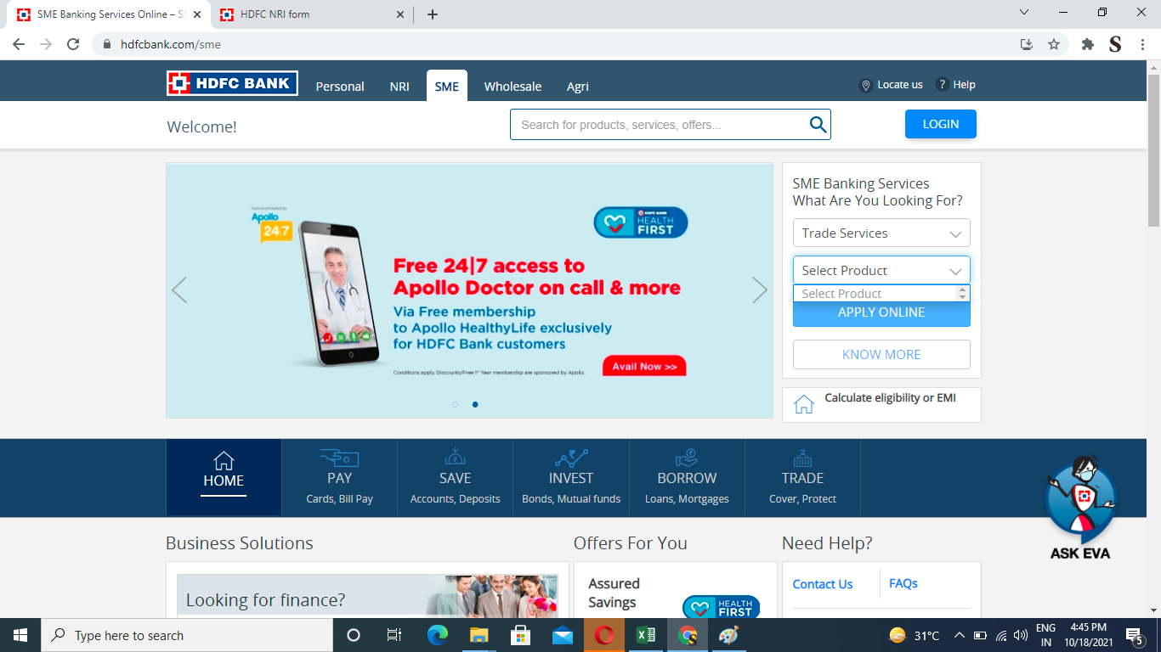

DR18 | 18/10/2021 | HDFC Home page | _ | Apply online form in SME Module. | Missing defect in non funtion defect | test Execution phase | Apply Know more button is not visible after selecting Credit cards and Best Price Save Smart Credit Cards option. | steps : 1.select product type Credit cards 2.select product :Best Price Save Smart Credit Cards. 3.Click on know more button . Expected Result: 1."Credit cards " should be visible. 2. "Best Price Save Smart Credit Cards" option should be visible 3. page should be redirect to next page. Actual Result : 1. Credit cards is selected 2. Best Price Save Smart Credit Cards is selected but no any option in dropdownlist. 3. apply Konw more button is visible |  |  | new | 

DR19 | 18/10/2021 | HDFC Home page | _ | Apply online form in SME Module. | Missing defect in non funtion defect | test Execution phase | Apply Know more button is not visible after selecting Credit cards and Business Best Price Save Max Credit Card option. | steps : 1.select product type :Credit cards 2.select product Business Best Price Save Max Credit Card. 3.Click on Know more button . Expected Result: 1."Credit cards" should be visible. 2. " Business Best Price Save Max Credit Card" option should be visible 3. page should be redirect to next page. Actual Result : 1.Credit cards is selected 2. Business Best Price Save Max Credit Card is selected but no any option in dropdownlist. 3. apply Know more button is visible |  |  | new | 